Title
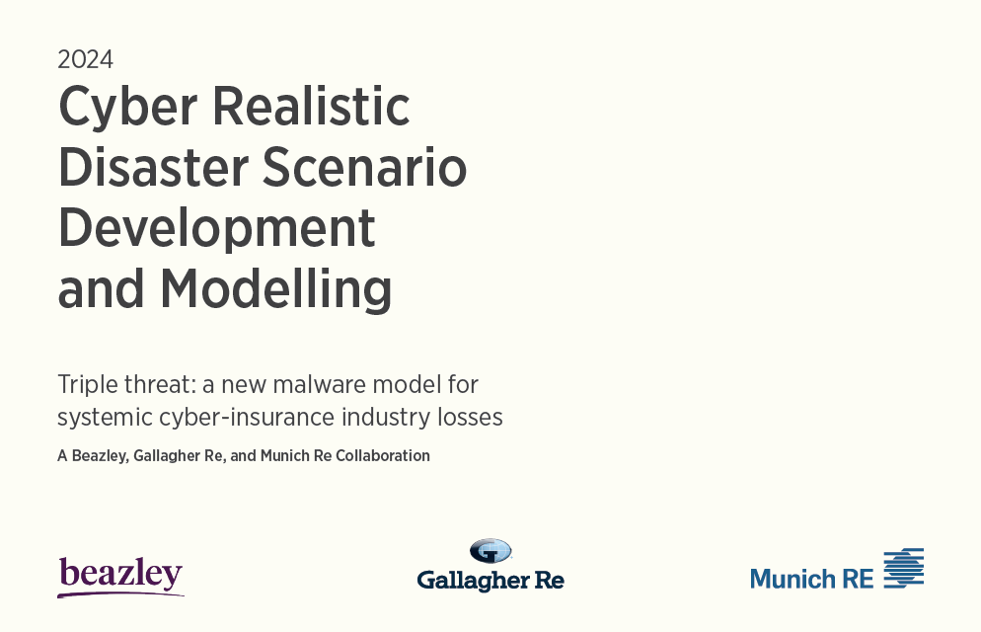

This file is to be read in conjunction with the full paper.

"© Copyright 2024, Beazley Furlonge Limited (“Beazley”), Münchener Rückversicherungs-Gesellschaft Aktiengesellschaft in München (“Munich Re”) and Arthur J. Gallagher & Co. and subsidiaries (“Gallagher”), collectively “The Parties”. All rights reserved. Beazley Furlonge Limited (Company Registration Number: 01893407 and VAT Number: 649 2754 03) is a managing agent for Syndicates at Lloyd’s and is authorised by the Prudential Regulation Authority and regulated by the Financial Conduct Authority and the Prudential Regulation Authority (Firm Reference Number: 204896). Beazley Furlonge Limited is registered in England and Wales with its Registered Office at 22 Bishopsgate, London EC2N 4BQ. Münchener Rückversicherungs-Gesellschaft Aktiengesellschaft in München (“Munich Re”) (Commercial Register Munich Number: HRB 42039) is supervised by the German Bundesanstalt für Finanzdienstleistungsaufsicht (BaFin). Munich Re is a reinsurance company organized under the laws of Germany with its Registered Office at Koeniginstrasse 107, 80802 Munich. In some countries, including in the United States, Munich Reinsurance Company holds the status of an unauthorized reinsurer. Gallagher Re is a trading name of Arthur J. Gallagher (UK) Limited, which is authorised and regulated by the Financial Conduct Authority. Registered Office: The Walbrook Building, 25 Walbrook, London EC4N 8AW. Registered in England and Wales. Company Number: 1193013. Some information contained in this excel file may be compiled from third-party sources and The Parties do not guarantee and are not responsible for the accuracy of such. This service and its contents are for general information only and are not intended to be relied upon. Any action based on or in connection with anything contained herein should be taken only after obtaining specific advice from independent professional advisors of your choice. The views expressed in this document are not necessarily those of The Parties. The Parties are not responsible

The Parties did not establish any legal partnership, joint venture or similar for the purposes of producing this service. No Party is constituted the agent of another or otherwise authorized to act on another Party’s behalf. Without limiting the foregoing, no Party shall have any responsibility for any act or omission of any other Party.

Results
Model Results |  | Note: Results align to the portfolio entered in the Calculation Tab and differ from the reported values in the paper

 | Event input |  |  |  | Event | Name | Description
 | Event | Event 1 | <--- Select input |  | 1 | Autolycus | Widespread Software Supply Chain Attack (WSSC)
 | Start region | North America | <--- Select input |  | 2 | Lernaen Hydra | Self-propagating Malware (SPM)
 | Initial Access Vector | Software Supply Chain |  |  | 3 | Demeter’s Curse | Targeted Industry Loss Event (TILE)
 | Privilege Escalation Vector | Established with Initial Access
 | Lateral Movement Vector | Initial Access already widespread
 | Impact | Data destruction/wipe

 | Results | $ |  | Overall losses by Revenue Band (percentage) |  |  | Overall losses by industry (percentage)
 | Overall losses | 11,727,436 |  | 0-20m | 0% |  | 1.1 IT - Software | 0%
 | Direct losses | 9,347,575 |  | 20m-100m | 1% |  | 1.2 IT - Hardware | 0%
 | Partial losses | 542,132 |  | 100m-1000m | 1% |  | 1.3 IT - Services | 3%
 | CBI losses | 1,837,729 |  | 1000m-10b | 0% |  | 2 Retail | 32%
 | Ensure the sum captures all rows |  |  | 10b and above | 98% |  | 3.1 Finance - Banking | 17%
 |  |  |  |  |  |  | 3.2 Finance - Insurance | 0%
Overall losses
Overall losses by Revenue Band (percentage)
 |  |  |  |  |  |  | 3.3 Finance - Investment management | 0%
 |  |  |  |  |  |  | 4 Healthcare | 0%
 |  |  |  |  |  |  | 5 Business & Professional Services | 0%
 |  |  |  |  |  |  | 6 Energy | 0%
 |  |  |  |  |  |  | 7 Telecommunications | 0%
 |  |  |  |  |  |  | 8 Utilities | 0%
 |  |  |  |  |  |  | 9 Tourism & Hospitality | 4%
 |  |  |  |  |  |  | 10 Manufacturing | 26%
 |  |  |  |  |  |  | 11 Pharmaceuticals | 0%
 |  |  |  |  |  |  | 12 Defense / Military Contractor | 0%
 |  |  |  |  |  |  | 13 Entertainment & Media | 0%
 |  |  |  |  |  |  | 14 Transportation/Aviation/Aerospace | 0%
 |  |  |  |  |  |  | 15 Public Authority; NGOs; Non-Profit | 0%
 |  |  |  |  |  |  | 16 Real Estate, Property & Construction | 0%
 |  |  |  |  |  |  | 17 Education | 0%
 |  |  |  |  |  |  | 18 Mining & Primary Industries | 0%
 |  |  |  |  |  |  | 19 Food & Agriculture | 0%
 |  |  |  |  |  |  | 20 Other | 15%

